Sheet1
1. Footer Menu
a. Change "Terms & Condition" to "Terms & Conditions"

2. Header Menu
a. Change "Comunity" to "Community"

b. Under Community add the following tabs

1. "Gaming Forum"
2. "Visit Our Facebook page" (hyperlink it to https://www.facebook.com/Xanda.sg/)
3. "F.A.Q | (Use word document attached)

3. Change favicon at internet browser tab from Magento logo to Xanda logo

4. Under checkout page
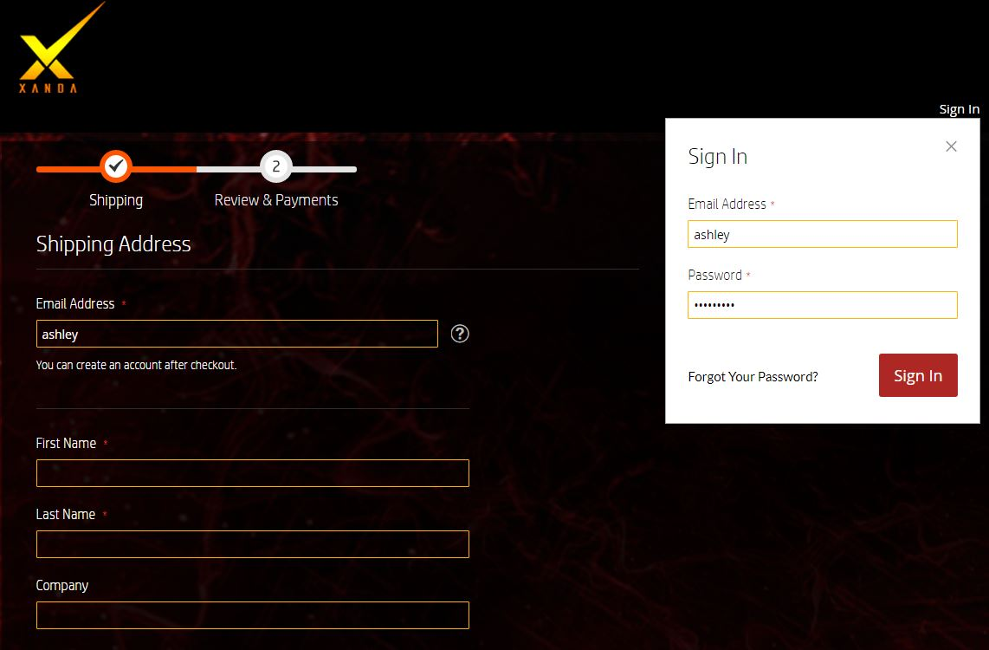

 |  | Input register account function, so people can register if they don't have one

